Sheet1
 | John "Syd" Cowan |  | Jane (Francis) Cowan |  |  |  |  | Francis Cobbett Shove | Sarah Campbell

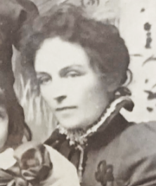
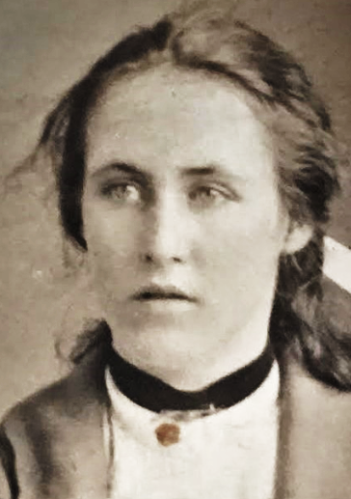
John Francis | James Francis |  | William Francis |  | Charles Joseph |  | Marion Campbell Shove | Nora Campbell | Olive Edith | Francis Campbell | Douglas Campbell
Louisa Riley |  |  | Annie Rickerby |  |  |  |  | John Campbell Burns |  |  | Alice Jospehine Statum

 |  | George John Francis |  | William Orton
 |  | Maida Rolf |  | Edith Isabell Masters

 |  |  | Vera Frances (Allison) |  | Sydney Francis |  | Thelma Marion | Douglas Campbell | Ngaire Frances (Carleton)
 |  |  | George Allison |  | Agnes Gertrude Mulligan |  |  | Iris Oliff Orpen (de Villiers) | Reginald Carleton

 |  | Denis George |  | John Charles
 |  |  |  |  |  |  |  | "Iris" Jane | John Barrie
 |  |  |  |  |  |  |  | Alan George Baker

 |  |  |  | Douglas Murray |  | John Beresford

